DIESEL
BOXER DIESEL TRI PACK

DISPONIBLE IMMEDIATEMENT
REFERENCE | DESIGNATION | PHOTO | S | M | L | XL | TOTAL
OONTG | BOXER3PACK KORI | 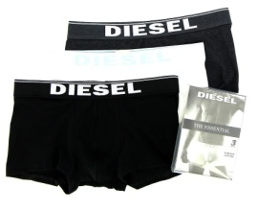 | 608 | 906 | 906 | 608 | 3028
OGAFN | BOXER3PACK SHAWN | 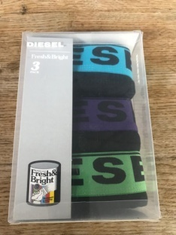 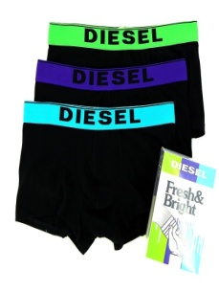 | 230 | 528 | 528 | 230 | 1516
OBAOF | BOXER3PACK KORI |  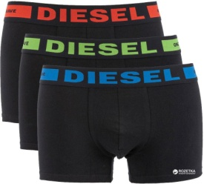 | 365 | 735 | 735 | 365 | 2200
OJADV | BOXER3PACK SHAWN | 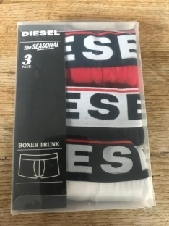 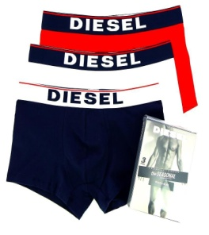 | 126 | 315 | 315 | 126 | 882
OGAFN | BOXER3PACK SHAWN | 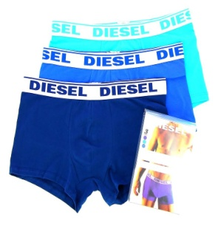 | 630 | 1134 | 1134 | 630 | 3528
OWAAF | BOXER3PACK KORI | 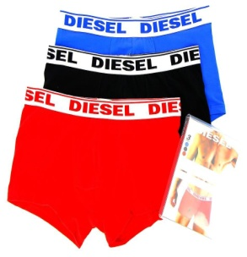 | 315 | 630 | 630 | 315 | 1890
OAAMT | BOXER3PACK SHAWN | 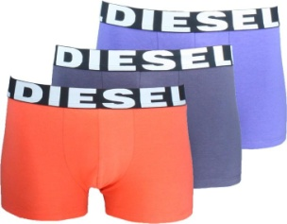 | 126 | 252 | 252 | 126 | 756
 |  |  |  |  |  |  | 13800

